API 1
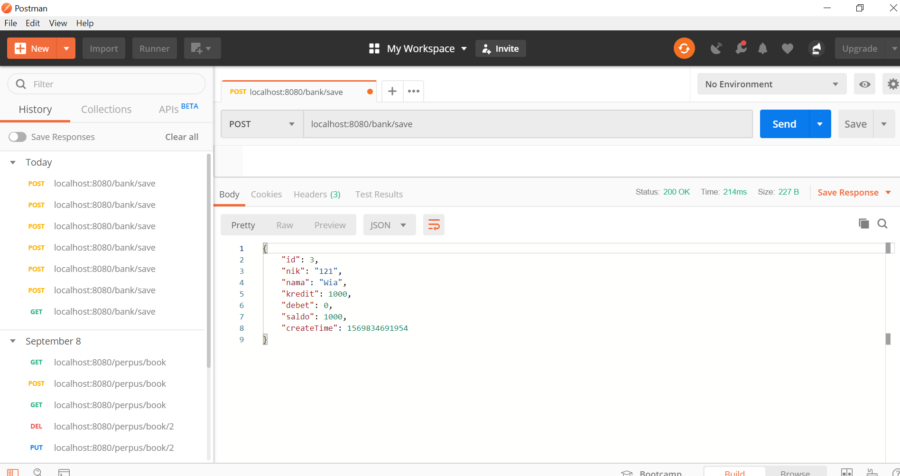
API | POST
http://localhost:8080/bank/save

Parameter
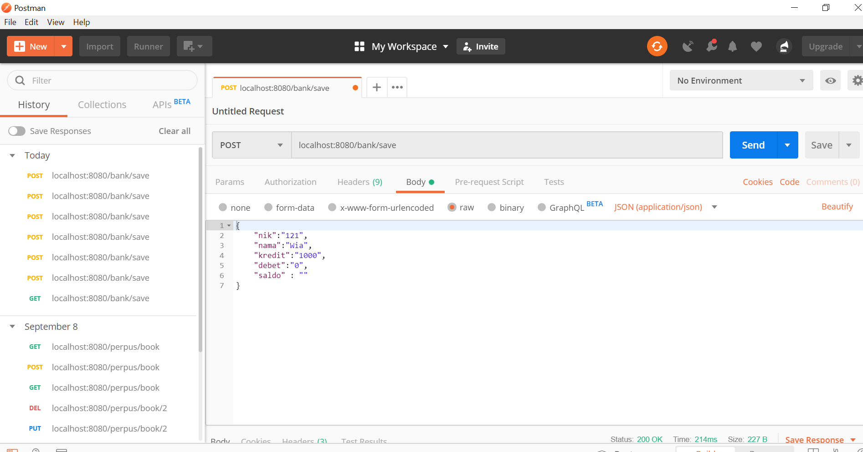

Response

API 2
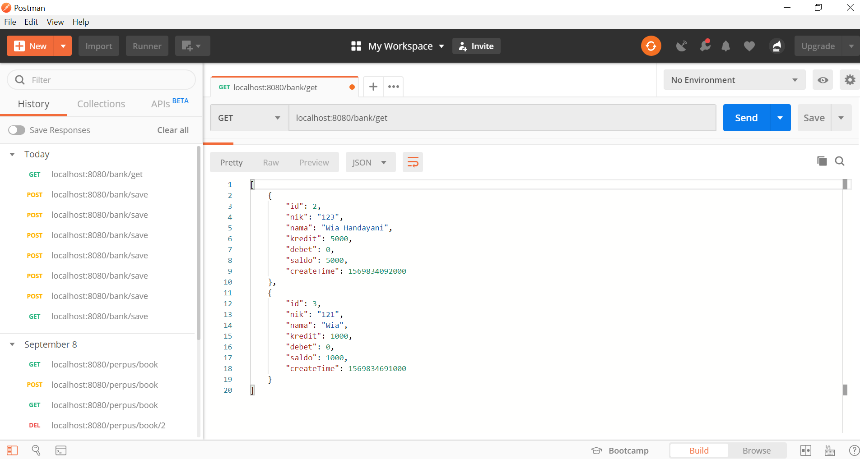
API | GET
http://localhost:8080/bank/get

Parameter
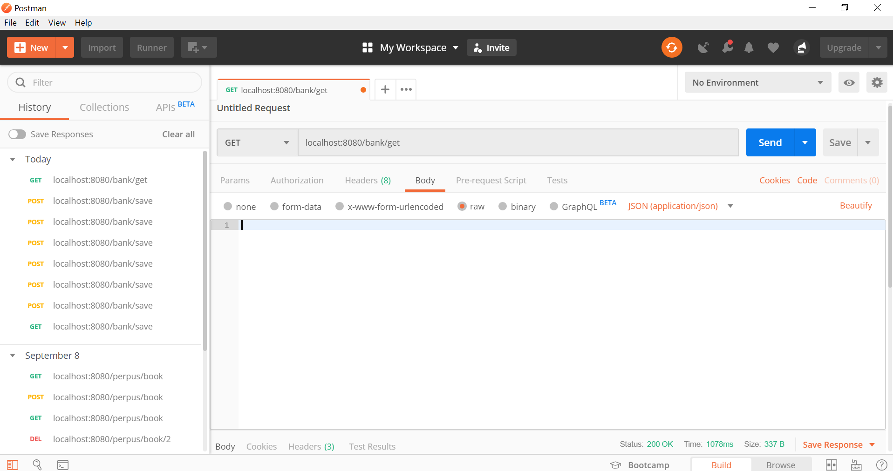

Response

API 3
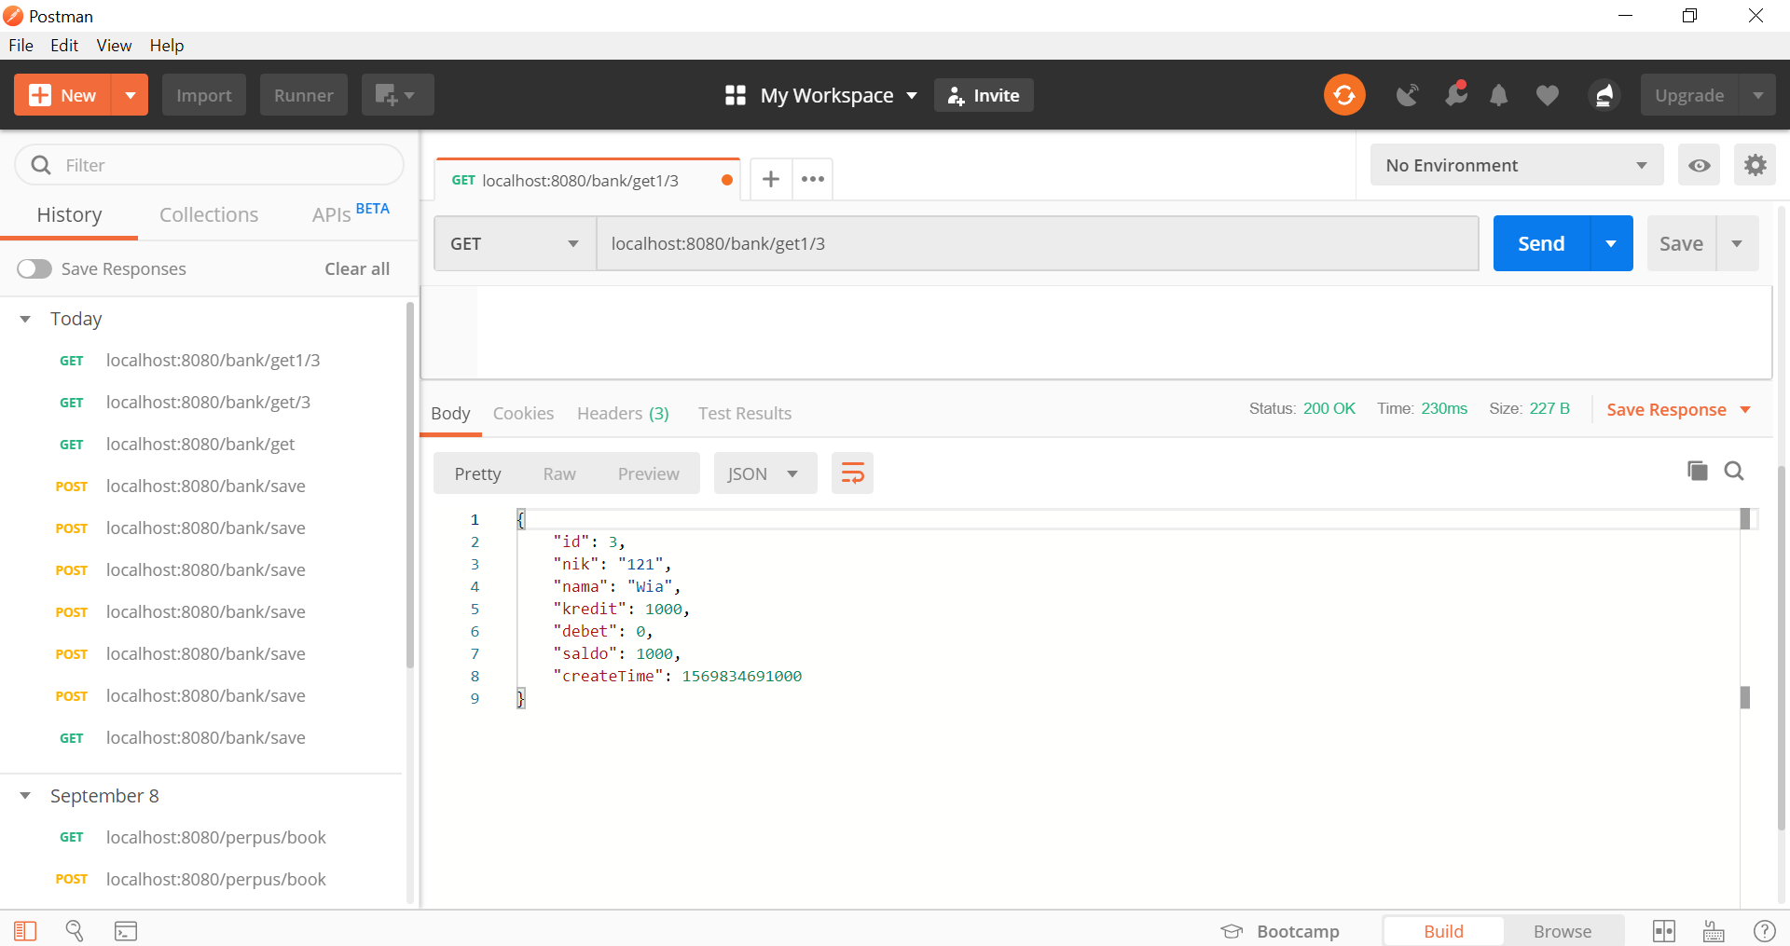
API | GET
http://localhost:8080/bank/get1/3

Parameter


Response

API 4
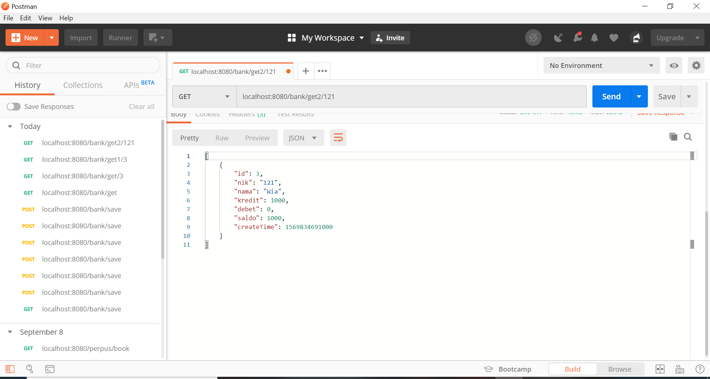
API | GET
http://localhost:8080/bank/get2/121

Parameter


Response

API 5
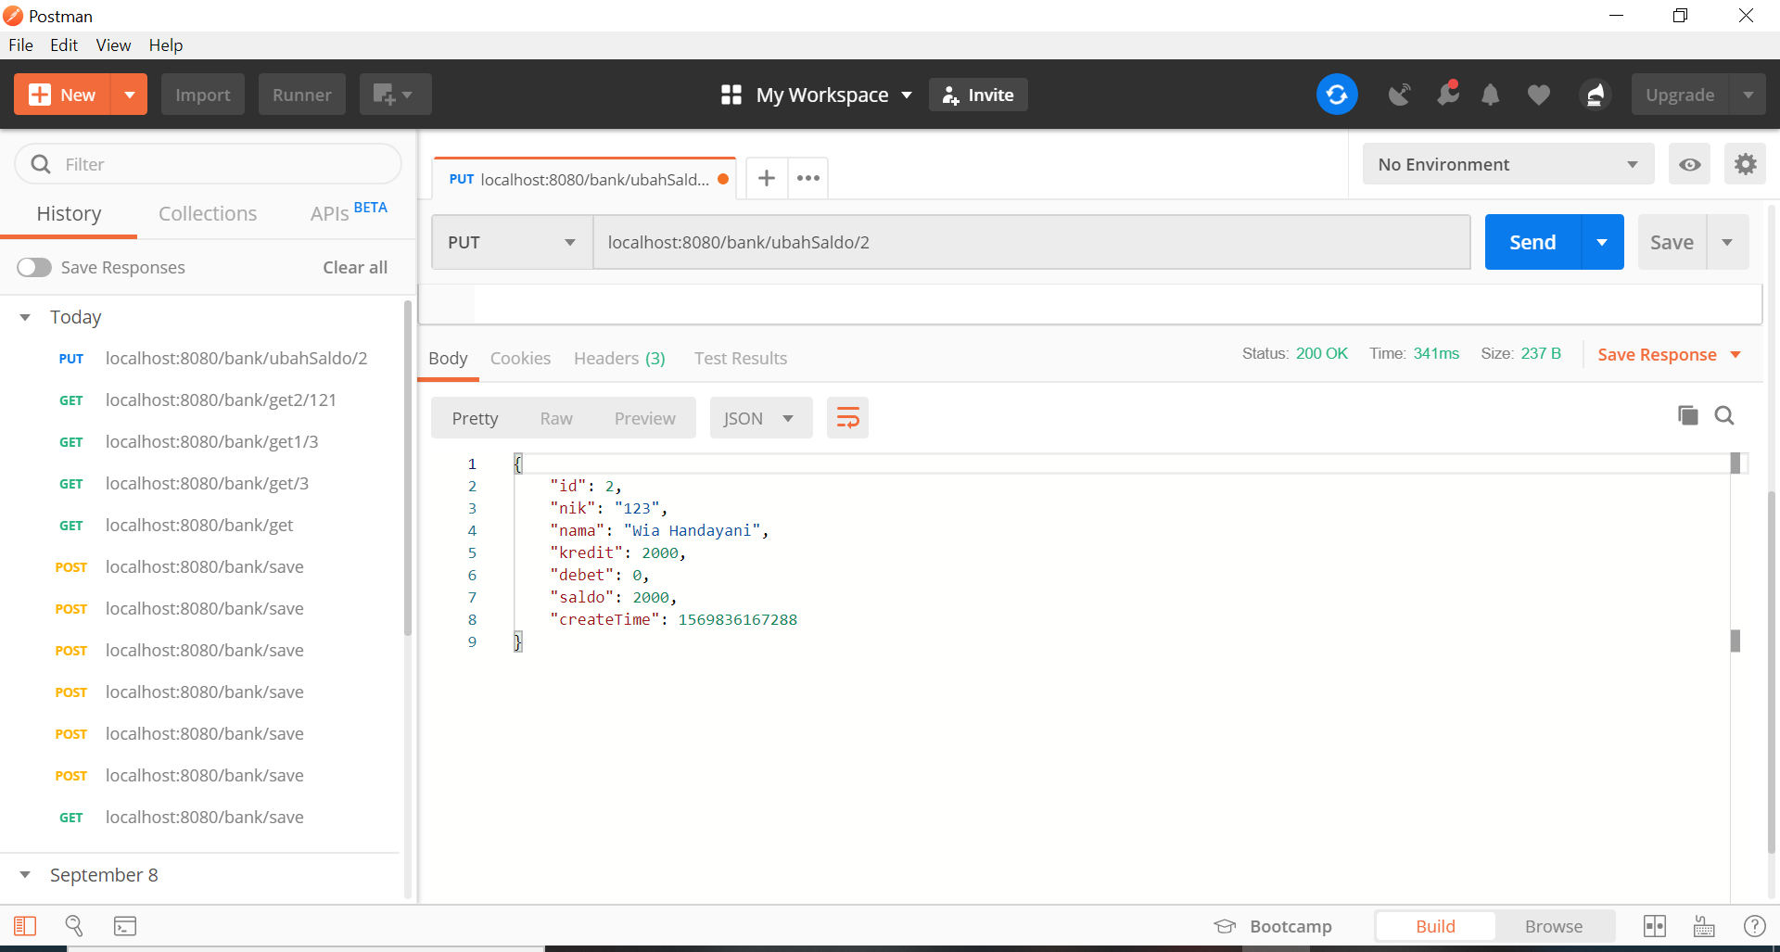
API | PUT
http://localhost:8080/bank/ubahSaldo/2

Parameter
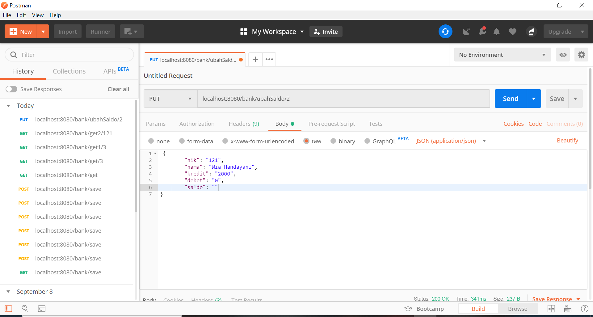

Response

API 6
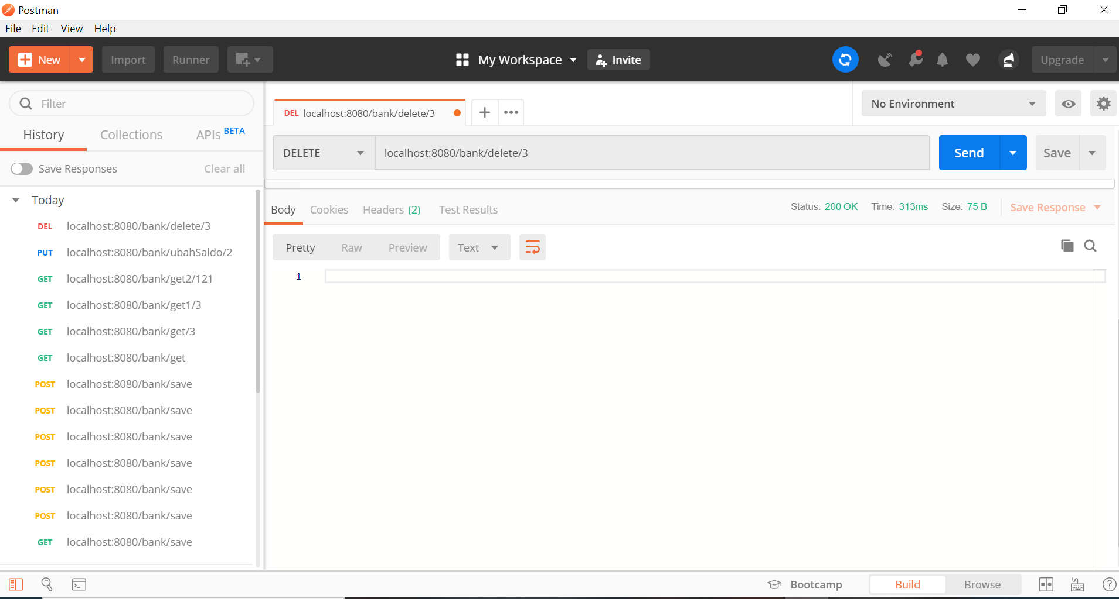
API | DELETE
http://localhost:8080/bank/delete/3

Parameter
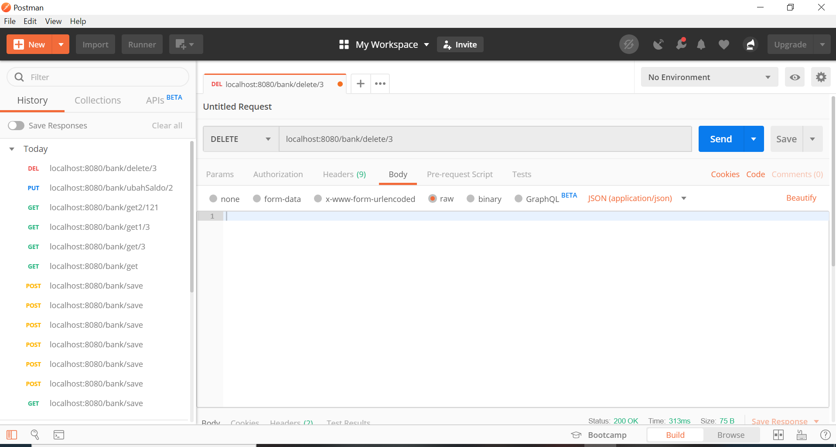

Response

